Print Page 1
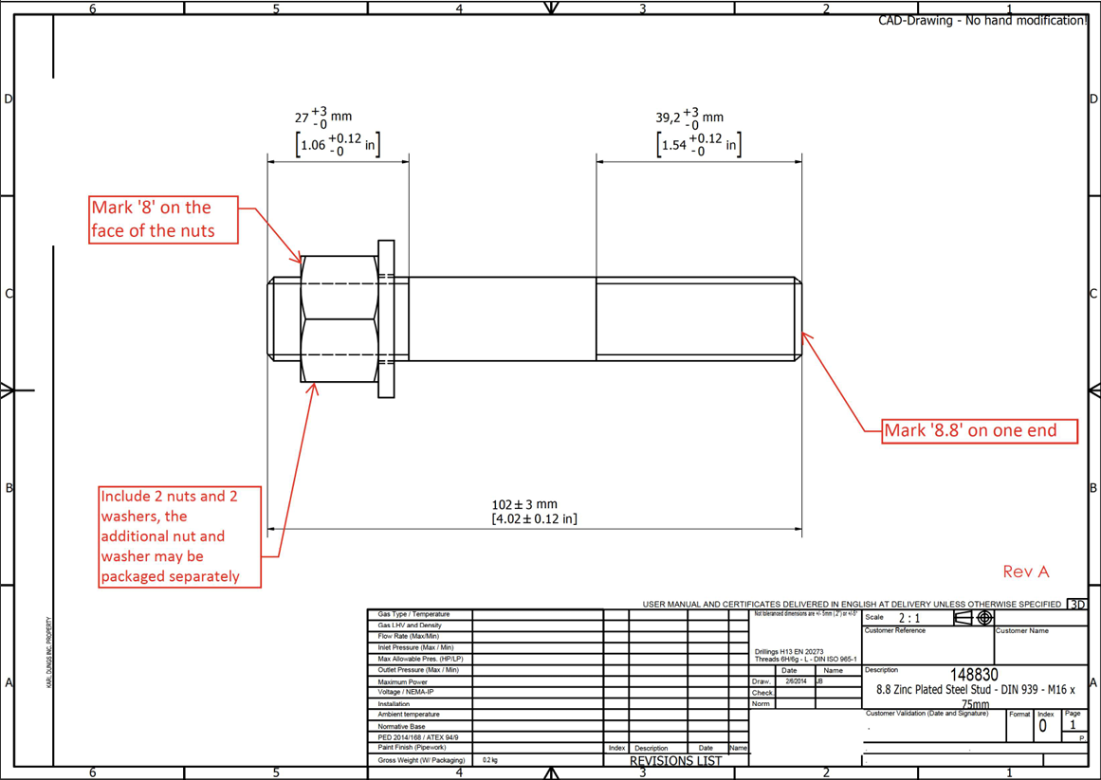

2
3

4

5
1

